2.2
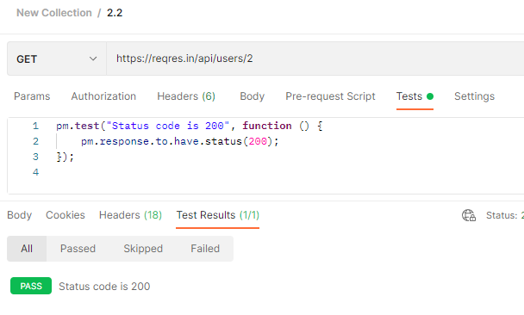
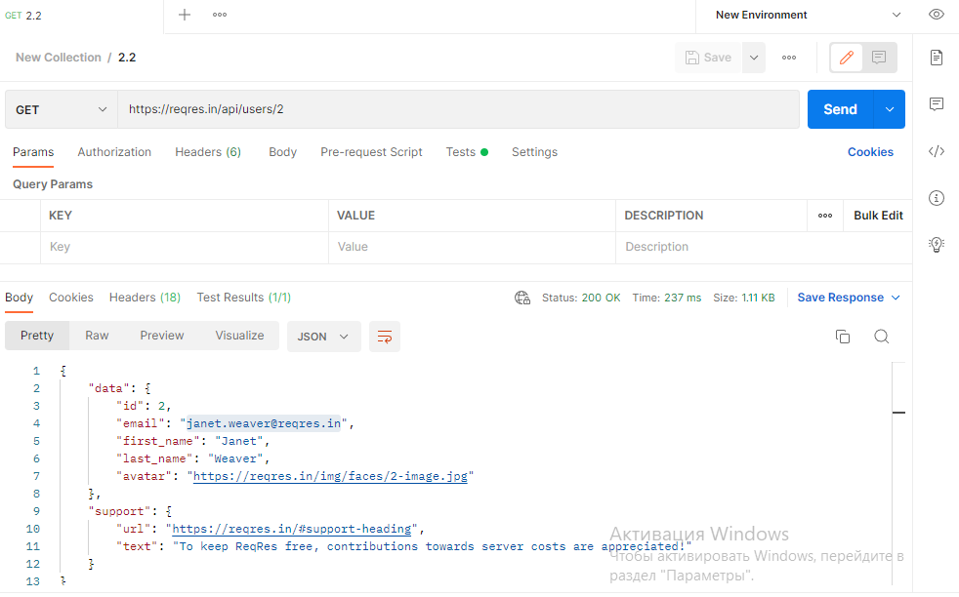
url | https://reqres.in/api/users/2

ответ | "data": {
 | "id": 2,
 | "email": "janet.weaver@reqres.in",
 | "first_name": "Janet",
 | "last_name": "Weaver",
 | "avatar": "https://reqres.in/img/faces/2-image.jpg"
 | },
 | "support": {
 | "url": "https://reqres.in/#support-heading",
 | "text": "To keep ReqRes free, contributions towards server costs are appreciated!"
 | }
 | }

2.3
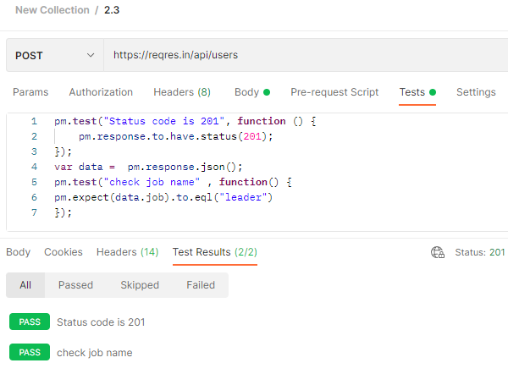
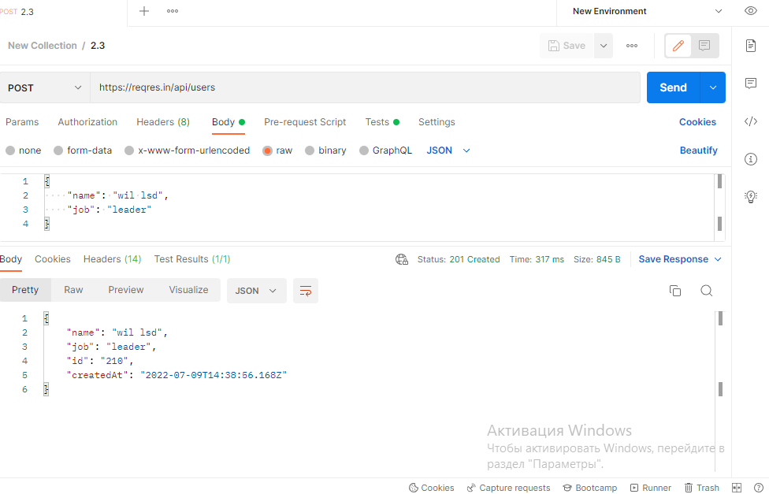
url | https://reqres.in/api/users

 | запрос | { "name": "wil lsd", "job": "leader" }

 | ответ | {
 |  | "name": "wil lsd",
 |  | "job": "leader",
 |  | "id": "926",
 |  | "createdAt": "2022-07-10T14:49:50.390Z"
 |  | }

2.4
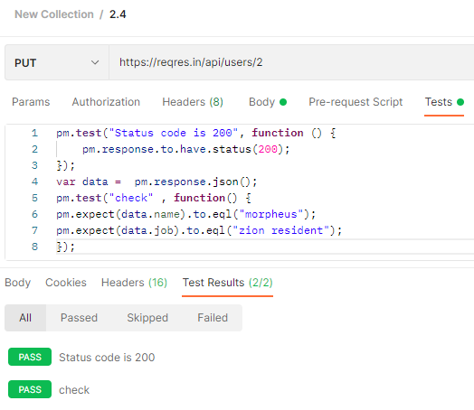
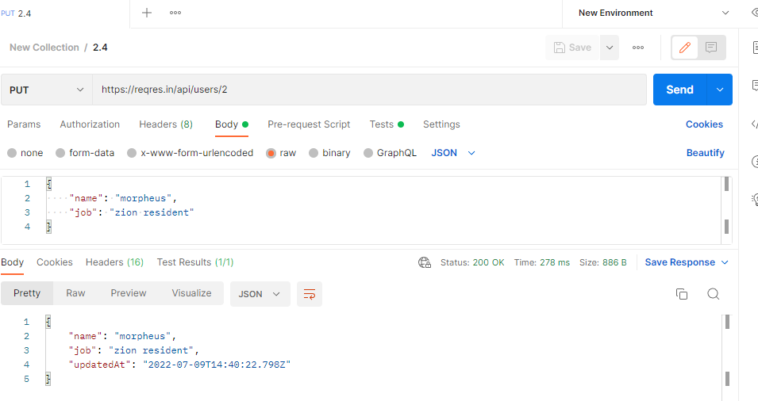
url | https://reqres.in/api/users/2

запрос | { "name": "morpheus", "job": "zion resident" }

ответ | {
 | "name": "morpheus",
 | "job": "zion resident",
 | "updatedAt": "2022-07-10T14:51:19.016Z"
 | }

2.5.1
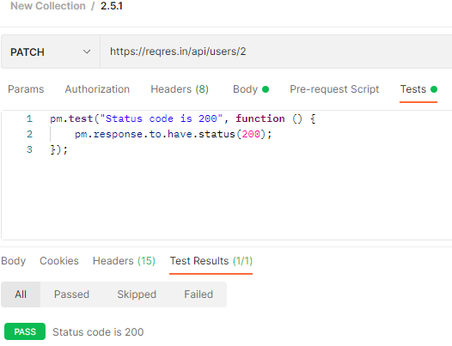
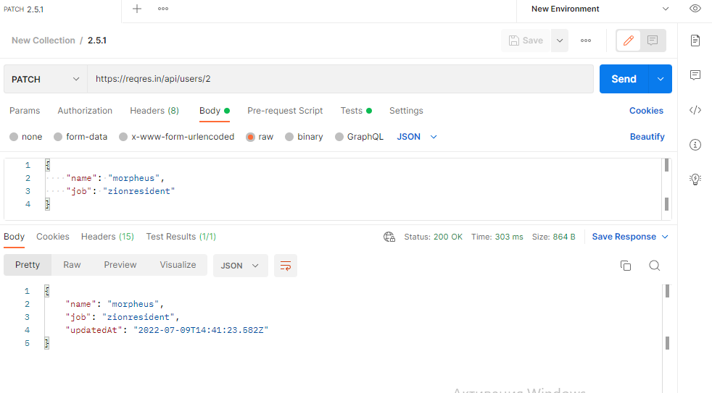

url | https://reqres.in/api/users/2

запрос | { "name": "morpheus", "job": "zionresident" }

ответ | {
 | "name": "morpheus",
 | "job": "zionresident",
 | "updatedAt": "2022-07-10T14:52:19.255Z"
 | }

2.5.2
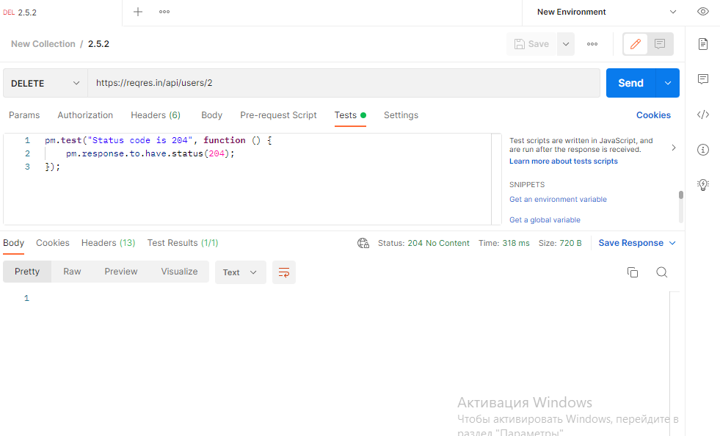

url | https://reqres.in/api/users/2

